July 10.07.22
 |  | Item | Total | 2022-07-10 | 2022-07-11 | 2022-07-12 | 2022-07-13 | 2022-07-14 | 2022-07-15 | 2022-07-16 | 2022-07-17 | 2022-07-18 | 2022-07-19 | 2022-07-20 | 2022-07-21 | 2022-07-22 | 2022-07-23 | 2022-07-24 | 2022-07-25 | 2022-07-26 | 2022-07-27 | 2022-07-28 | 2022-07-29 | 2022-07-30 | 2022-07-31
25 Count == 1 | 1 | Wave-1 | 2 |  |  |  |  |  |  |  |  |  |  |  |  |  |  |  | 2
1 Song == 1 |  | Salsa Hip | 1 |  |  |  |  |  |  |  |  |  |  |  |  |  |  |  | 1
 |  | Shuffle | 0
 | 2 | Gym | 5 |  |  | 1 |  |  | 1 | 1 |  | 1 |  |  |  | 1
 |  | Cycling | 4 | 1 | 1 | 1 |  |  | 1
 | 3 | Dance | 8 | 1 |  | 1 |  | 1 |  | 1 | 1 | 1 | 1 |  |  |  | 1
 | 4 | Eyes | 0
 |  | Massage | 0
 |  | Meditation | 1 | 1
 | 5 | Hair | 8 | 1 | 1 |  | 1 |  | 1 | 1 | 1 |  |  |  |  | 1 | 1
 |  | Supplements | 0
 | 6 | Steam | 1 |  |  |  |  |  | 1
 |  | Pranayam | 0
 | 7 | Pull Ups | 0
 |  | Push Ups | 0
 | 8 | Yoga | 2 |  |  |  |  |  |  |  |  | 1 |  |  |  | 1
 |  | Suryanamasker | 1 |  |  |  |  |  |  |  |  |  |  |  |  |  |  |  | 1
 |  | Legs | 0
 |  | Chest | 1 |  |  |  |  |  |  |  |  |  |  |  |  |  | 1
Ball,Elastic, Pressure, Grip, Roller |  | Fingers | 3 |  |  |  |  | 1 |  |  |  | 1 |  |  |  |  | 1
 |  |  |  | 4 | 2 | 3 | 1 | 2 | 4 | 3 |  | 4 | 1 | 0 | 0 | 3 | 4 | 0 | 1 | 0 | 0 | 0 | 0 | 0 | 0

Daily Total
2022-07-10 | 4
2022-07-11 | 2
2022-07-12 | 3
2022-07-13 | 1
2022-07-14 | 2
2022-07-15 | 4
2022-07-16 | 3
2022-07-17
2022-07-18 | 4
2022-07-19 | 1
2022-07-20 | 0
2022-07-21 | 0
2022-07-22 | 3
2022-07-23 | 4
2022-07-24 | 0
2022-07-25 | 1
2022-07-26 | 0
2022-07-27 | 0
2022-07-28 | 0
2022-07-29 | 0
2022-07-30 | 0
2022-07-31 | 0
Itemized Total

Week 21.05
Daily
 | Count
Burpee
Cult
Cycling
Dance | 3
Eyes | 2
Gym | 3
Kick Boxing
Massage | 5
Supplements
Meditation | 4
Pranayam
Pull Ups | 1
Push Ups
Skip | 1
Stretch | 5
Steam
Yoga | 1
Item | Count | 2022-05-15 | 2022-05-16 | 2022-05-17 | 2022-05-18 | 2022-05-19 | 2022-05-20 | 2022-05-21
Burpee
Cult
Cycling
Dance | 3 | 1 |  | 1 |  | 1
Eyes | 2 |  |  |  |  |  | 1 | 1
Gym | 3 |  |  |  | 1 | 1 | 1
Kick Boxing
Massage | 5 | 1 | 1 | 1 | 1 | 1
Supplements
Meditation | 4 | 1 | 1 |  | 1 | 1
Pranayam
Pull Ups | 1 |  |  |  | 1
Push Ups
Skip | 1 |  |  | 1
Stretch | 5 | 1 | 1 | 1 | 1 | 1
Steam
Yoga | 1 |  | 1
 |  | 4 | 5 | 4 | 5 | 5 | 2 | 1

The Shoulders X
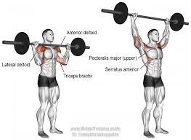 | Barbell Overhead Shoulder Press | 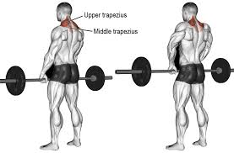 | Barbell Shrugs

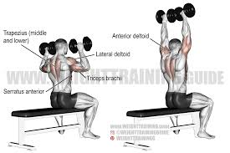 | Seated Dumbbell Shoulder Press | 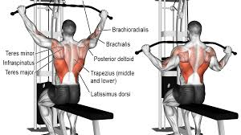 | Lateral Pull Down

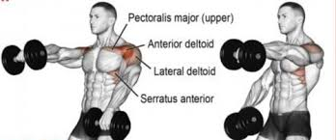 | Front Raise | 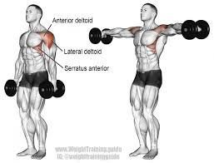 | Dumbbell Lateral Raise

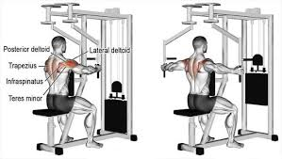 | Reverse Peck Deck Fly | 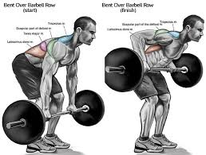 | Bent Over

The Shoulders X (2)
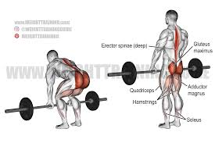
Barbell Overhead Shoulder Press | Barbell Shrugs

Seated Dumbbell Shoulder Press | Lateral Pull Down

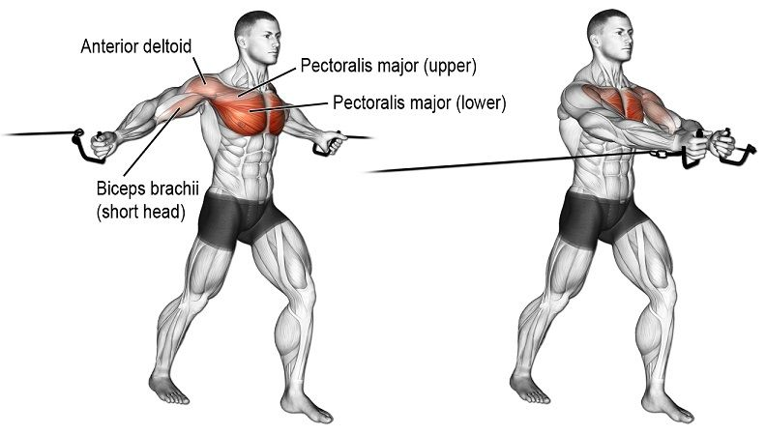

Front Raise | Dumbbell Lateral Raise | 7. Cable Machine

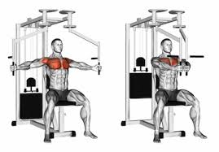
Reverse Peck Deck Fly | Bent Over |  | 8. Pec Fly

Daily X
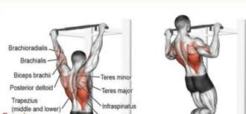 | 1. Pull Ups

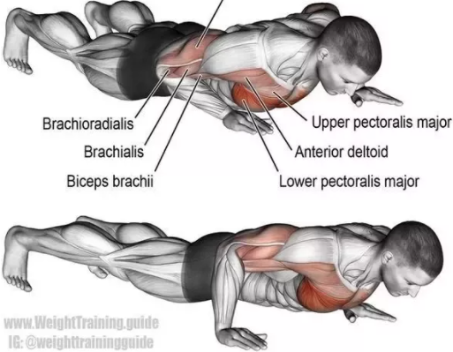 | 2. Push Ups

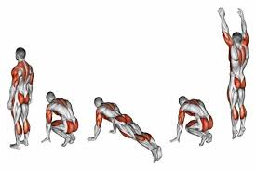 | 3. Burpees

The Abs X
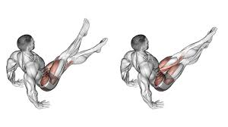 | 1. Abs Scissors Exercise | 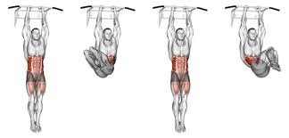 | 5. Hanging Knee Raises

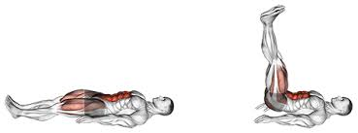 | 2. Lying Leg Raises | 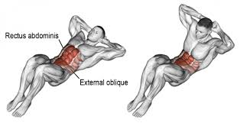 | 6. Body Weight Crunches

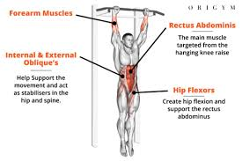 | 3. Hanging Knee Raises | 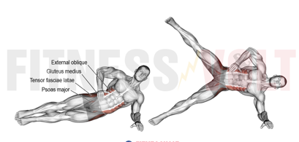 | 7. Side Plan Raises

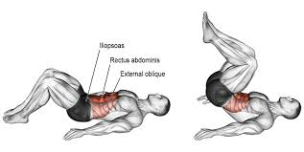 | 4. Reverse Crunch | 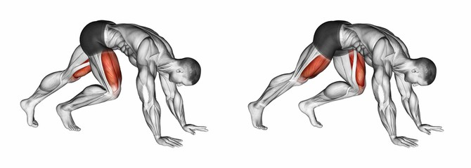 | 8. Mountain Climbers

The Biceps X
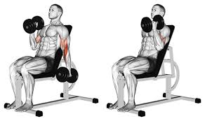 | 1. Seated Alternating Dumbbell Curl | 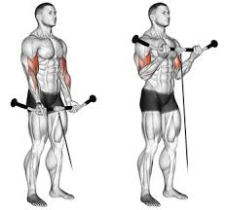 | 5. Standing Cable Curl

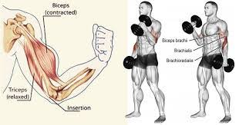 | 2. Standing Dumbbell Curl | 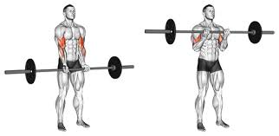 | 6. Standing Barbell Curl

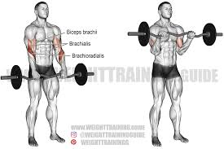 | 3. Standing Reverse Barbell Curl | 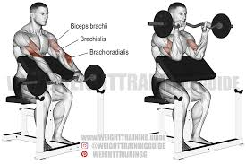 | 7. Preacher Curl

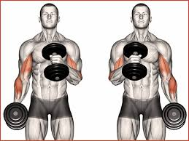 | 4. Hammer Curl

The Chest X
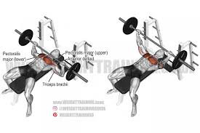 | 1. Barbell bench press | 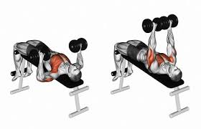 | 4. Db bench press

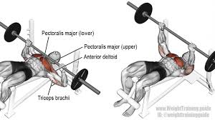 | 2. Barbell decline bench press | 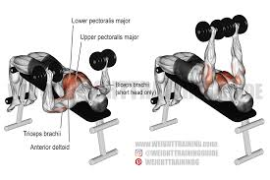 | 5. Db decline bench press

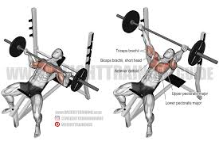 | 3. Barbell incline bench press | 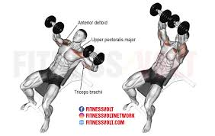 | 6. Db incline bench press

 |  | 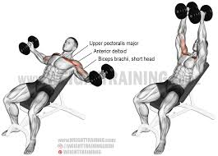 | 7. Inclined dumbbell flies

